rotation calculations
 |  |  |  |  |  |  |  |  | page rotation 0

basic information |  |  | in alphabetical order |  | confirmed again
 |  |  | C | L | R |  |  |  |  | optional 7
Width | 600.00 | W adj | 0.50 | 0.00 | 1.00 |  |  |  |  | Page Rotation | 0.00
Height | 200.00 |  | B | M | T |  |  |  |  | TB Rotation | 0.00 | 0.00 |  |  | dist | Sin | Cos
Angle | 30.00 | H adj | 1.00 | 0.50 | 0.00 |  |  |  |  | Sin Angle | 0.00 |  | W | 600.00 | 600.00 | 0.00 | 600.00
COS | 0.87 |  |  |  |  |  |  |  |  | Cos Angle | 1.00 |  | H | 200.00 | 200.00 | 0.00 | 200.00
SIN | 0.50 |  |  |  |  |  |  |  |  |  | step a - adjust origin to LT
Cos W | 519.62 |  |  |  |  |  |  |  |  |  | origin
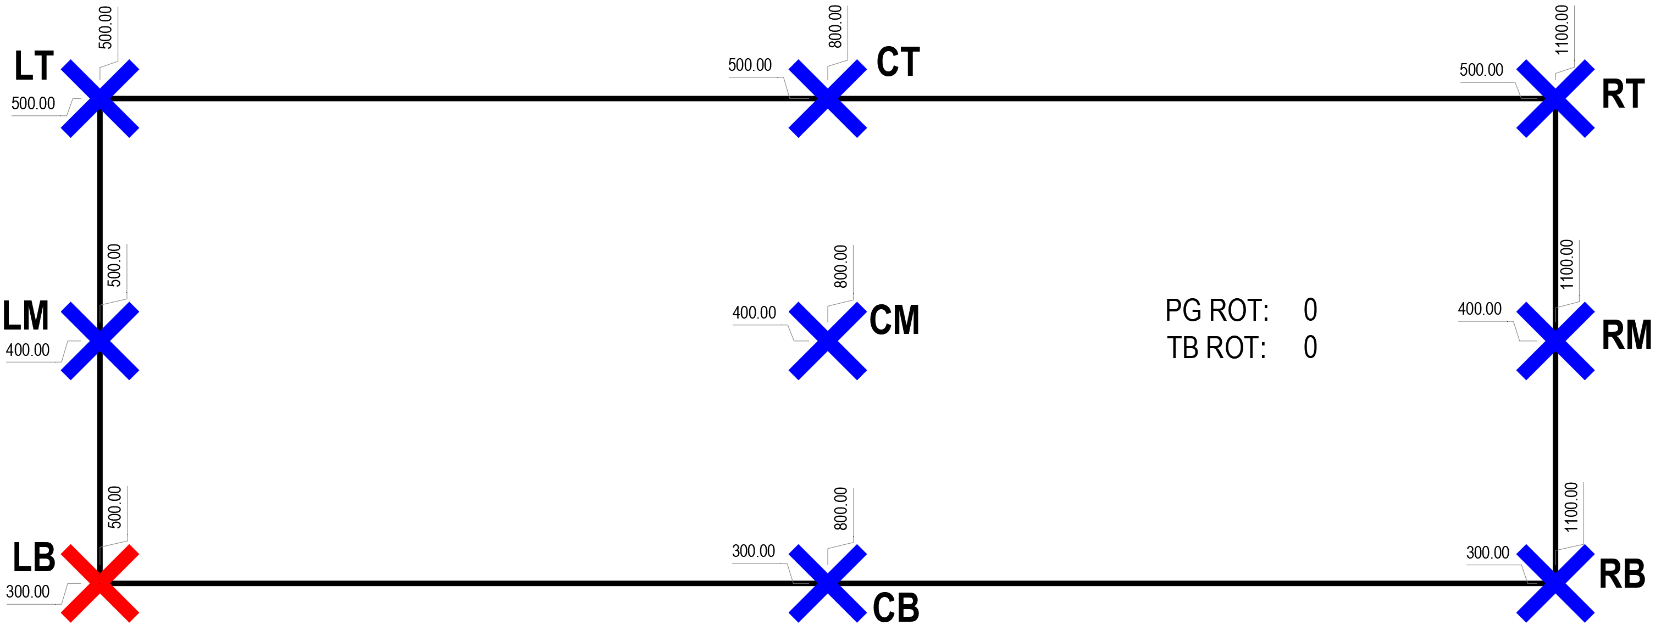
Sin W | 300.00 |  |  |  |  |  |  |  |  |  |  | move start point to LT
Cos H | 173.21 |  |  |  |  |  |  |  |  | X | 500.00 | 0.00 |  | 500.00
Sin H | 100.00

 |  |  |  |  |  |  |  |  |  | Y | 300.00 | 200.00 |  | 500.00

 |  |  |  |  |  |  |  |  |  |  |  | start
 |  |  |  |  |  |  |  |  |  | RB |  |  |  | R | cosW | w adj | intermediat |  | B | sinH | h adj | final
 |  |  |  |  |  |  |  |  |  | R | X | 500.00 | + | 1.00 | 600.00 | 600.00 | 1100.00 | + | 1.00 | 0.00 | 0.00 | 1100.00
 |  |  |  |  |  |  |  |  |  | B |  |  |  | R | sinW | w adj |  |  | B | cosH
 |  |  |  |  |  |  |  |  |  |  | Y | 500.00 | + | 1.00 | 0.00 | 0.00 | 500.00 | - | 1.00 | 200.00 | 200.00 | 300.00

 |  |  |  |  |  |  |  |  |  | CM |  |  |  | C | cosW | w adj | intermediat |  | M | sinH | h adj | final
 |  |  |  |  |  |  |  |  |  | C | X | 500.00 | + | 0.50 | 600.00 | 300.00 | 800.00 | + | 0.50 | 0.00 | 0.00 | 800.00
 |  |  |  |  |  |  |  |  |  | M |  |  |  | C | sinW | w adj |  |  | M | cosH
 |  |  |  |  |  |  |  |  |  |  | Y | 500.00 | + | 0.50 | 0.00 | 0.00 | 500.00 | - | 0.50 | 200.00 | 100.00 | 400.00

 |  |  |  |  |  |  |  |  |  | CB |  |  |  | C | cosW | w adj | intermediat |  | B | sinH | h adj | final
 |  |  |  |  |  |  |  |  |  | C | X | 500.00 | + | 0.50 | 600.00 | 300.00 | 800.00 | + | 1.00 | 0.00 | 0.00 | 800.00
 |  |  |  |  |  |  |  |  |  | B |  |  |  | C | sinW | w adj |  |  | B | cosH
 |  |  |  |  |  |  |  |  |  |  | Y | 500.00 | + | 0.50 | 0.00 | 0.00 | 500.00 | - | 1.00 | 200.00 | 200.00 | 300.00

 |  |  |  |  |  |  |  |  |  | RT |  |  |  | R | cosW | w adj | intermediat |  | T | sinH | h adj | final
 |  |  |  |  |  |  |  |  |  | R | X | 500.00 | + | 1.00 | 600.00 | 600.00 | 1100.00 | + | 0.00 | 0.00 | 0.00 | 1100.00
 |  |  |  |  |  |  |  |  |  | T |  |  |  | R | sinW | w adj |  |  | T | cosH
 |  |  |  |  |  |  |  |  |  |  | Y | 500.00 | + | 1.00 | 0.00 | 0.00 | 500.00 | - | 0.00 | 200.00 | 0.00 | 500.00

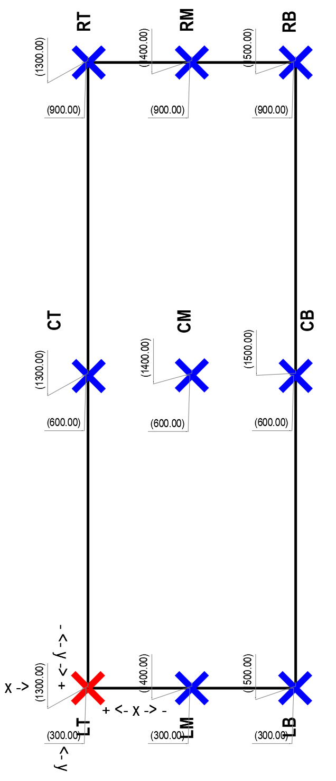
 |  |  |  |  |  |  |  |  |  | optional 8 |  |  |  |  | 200.00 |  |  |  |  |  |  |  | banner 2
 |  |  |  |  |  |  |  |  |  | Page Rotation | 0.00 |  |  |  | 600.00 |  |  |  |  |  |  |  | Page Rotation | 0.00
 |  |  |  |  |  |  |  |  |  | TB Rotation | 90.00 | 90.00 |  |  | dist | Sin | Cos |  |  |  |  |  | TB Rotation | 90.00 | 90.00 |  |  | dist | Sin | Cos
 |  |  |  |  |  |  |  |  |  | Sin Angle | 1.00 |  | W | 200.00 | 600.00 | 600.00 | 0.00 |  |  |  |  |  | Sin Angle | 1.00 |  | W | 28.00 | 615.83 | 615.83 | 0.00
 |  |  |  |  |  |  |  |  |  | Cos Angle | 0.00 |  | H | 600.00 | 200.00 | 200.00 | 0.00 |  |  |  |  |  | Cos Angle | 0.00 |  | H | 615.83 | 28.00 | 28.00 | 0.00
 |  |  |  |  |  |  |  |  |  |  | step a - adjust origin to LT |  |  |  |  |  |  |  |  |  |  |  |  | step a - adjust origin to LT
 |  |  |  |  |  |  |  |  |  |  | origin |  |  |  |  |  |  |  |  |  |  |  |  | origin
 |  |  |  |  |  |  |  |  |  |  |  | move start point to LT |  |  |  |  |  |  |  |  |  |  |  |  | move start point to LT
 |  |  |  |  |  |  |  |  |  | X | 1300.00 | 0.00 |  | 1300.00 |  |  |  |  |  |  |  |  | X | 1300.00 | 0.00 |  | 1300.00

 |  |  |  |  |  |  |  |  |  | Y | 300.00 | 0.00 |  | 300.00 |  |  |  |  |  |  |  |  | Y | 300.00 | 0.00 |  | 300.00

 |  |  |  |  |  |  |  |  |  |  |  | start |  |  |  |  |  |  |  |  |  |  |  |  | start
 |  |  |  |  |  |  |  |  |  | RB |  |  |  | R | cosW | w adj | intermediat |  | B | sinH | h adj | final | RB |  |  |  | R | cosW | w adj |  | intermediat |  | B | sinH | h adj | final
 |  |  |  |  |  |  |  |  |  | R | X | 1300.00 | + | 1.00 | 0.00 | 0.00 | 1300.00 | + | 1.00 | 200.00 | 200.00 | 1500.00 | R | X | 1300.00 | + | 1.00 | 0.00 | 0.00 |  | 1300.00 | + | 1.00 | 28.00 | 28.00 | 1328.00
 |  |  |  |  |  |  |  |  |  | B |  |  |  | R | sinW | w adj |  |  | B | cosH |  |  | B |  |  |  | R | sinW | w adj |  |  |  | B | cosH
 |  |  |  |  |  |  |  |  |  |  | Y | 300.00 | + | 1.00 | 600.00 | 600.00 | 900.00 | - | 1.00 | 0.00 | 0.00 | 900.00 |  | Y | 300.00 | + | 1.00 | 615.83 | 615.83 |  | 915.83 | - | 1.00 | 0.00 | 0.00 | 915.83

 |  |  |  |  |  |  |  |  |  | CM |  |  |  | C | cosW | w adj | intermediat |  | M | sinH | h adj | final | CM |  |  |  | C | cosW | w adj |  | intermediat |  | M | sinH | h adj | final
 |  |  |  |  |  |  |  |  |  | C | X | 1300.00 | + | 0.50 | 0.00 | 0.00 | 1300.00 | + | 0.50 | 200.00 | 100.00 | 1400.00 | C | X | 1300.00 | + | 0.50 | 0.00 | 0.00 |  | 1300.00 | + | 0.50 | 28.00 | 14.00 | 1314.00
 |  |  |  |  |  |  |  |  |  | M |  |  |  | C | sinW | w adj |  |  | M | cosH |  |  | M |  |  |  | C | sinW | w adj |  |  |  | M | cosH
 |  |  |  |  |  |  |  |  |  |  | Y | 300.00 | + | 0.50 | 600.00 | 300.00 | 600.00 | - | 0.50 | 0.00 | 0.00 | 600.00 |  | Y | 300.00 | + | 0.50 | 615.83 | 307.92 |  | 607.92 | - | 0.50 | 0.00 | 0.00 | 607.92

 |  |  |  |  |  |  |  |  |  | CB |  |  |  | C | cosW | w adj | intermediat |  | B | sinH | h adj | final | CB |  |  |  | C | cosW | w adj |  | intermediat |  | B | sinH | h adj | final
 |  |  |  |  |  |  |  |  |  | C | X | 1300.00 | + | 0.50 | 0.00 | 0.00 | 1300.00 | + | 1.00 | 200.00 | 200.00 | 1500.00 | C | X | 1300.00 | + | 0.50 | 0.00 | 0.00 |  | 1300.00 | + | 1.00 | 28.00 | 28.00 | 1328.00
 |  |  |  |  |  |  |  |  |  | B |  |  |  | C | sinW | w adj |  |  | B | cosH |  |  | B |  |  |  | C | sinW | w adj |  |  |  | B | cosH
 |  |  |  |  |  |  |  |  |  |  | Y | 300.00 | + | 0.50 | 600.00 | 300.00 | 600.00 | - | 1.00 | 0.00 | 0.00 | 600.00 |  | Y | 300.00 | + | 0.50 | 615.83 | 307.92 |  | 607.92 | - | 1.00 | 0.00 | 0.00 | 607.92

 |  |  |  |  |  |  |  |  |  | RT |  |  |  | R | cosW | w adj | intermediat |  | T | sinH | h adj | final | RT |  |  |  | R | cosW | w adj |  | intermediat |  | T | sinH | h adj | final
 |  |  |  |  |  |  |  |  |  | R | X | 1300.00 | + | 1.00 | 0.00 | 0.00 | 1300.00 | + | 0.00 | 200.00 | 0.00 | 1300.00 | R | X | 1300.00 | + | 1.00 | 0.00 | 0.00 |  | 1300.00 | + | 0.00 | 28.00 | 0.00 | 1300.00
 |  |  |  |  |  |  |  |  |  | T |  |  |  | R | sinW | w adj |  |  | T | cosH |  |  | T |  |  |  | R | sinW | w adj |  |  |  | T | cosH
 |  |  |  |  |  |  |  |  |  |  | Y | 300.00 | + | 1.00 | 600.00 | 600.00 | 900.00 | - | 0.00 | 0.00 | 0.00 | 900.00 |  | Y | 300.00 | + | 1.00 | 615.83 | 615.83 |  | 915.83 | - | 0.00 | 0.00 | 0.00 | 915.83

 |  |  |  |  |  |  |  |  |  | LT |  |  |  | L | cosW | w adj | intermediat |  | T | sinH | h adj | final | LT |  |  |  | L | cosW | w adj |  | intermediat |  | T | sinH | h adj | final
 |  |  |  |  |  |  |  |  |  | L | X | 1300.00 | + | 0.00 | 0.00 | 0.00 | 1300.00 | + | 0.00 | 200.00 | 0.00 | 1300.00 | L | X | 1300.00 | + | 0.00 | 0.00 | 0.00 |  | 1300.00 | + | 0.00 | 28.00 | 0.00 | 1300.00
 |  |  |  |  |  |  | cos |  |  | T |  |  |  | L | sinW | w adj |  |  | T | cosH |  |  | T |  |  |  | L | sinW | w adj |  |  |  | T | cosH
 |  | sin |  |  |  |  |  |  |  |  | Y | 300.00 | + | 0.00 | 600.00 | 0.00 | 300.00 | - | 0.00 | 0.00 | 0.00 | 300.00 |  | Y | 300.00 | + | 0.00 | 615.83 | 0.00 |  | 300.00 | - | 0.00 | 0.00 | 0.00 | 300.00

 |  |  | cos |  |  |  |  | sin

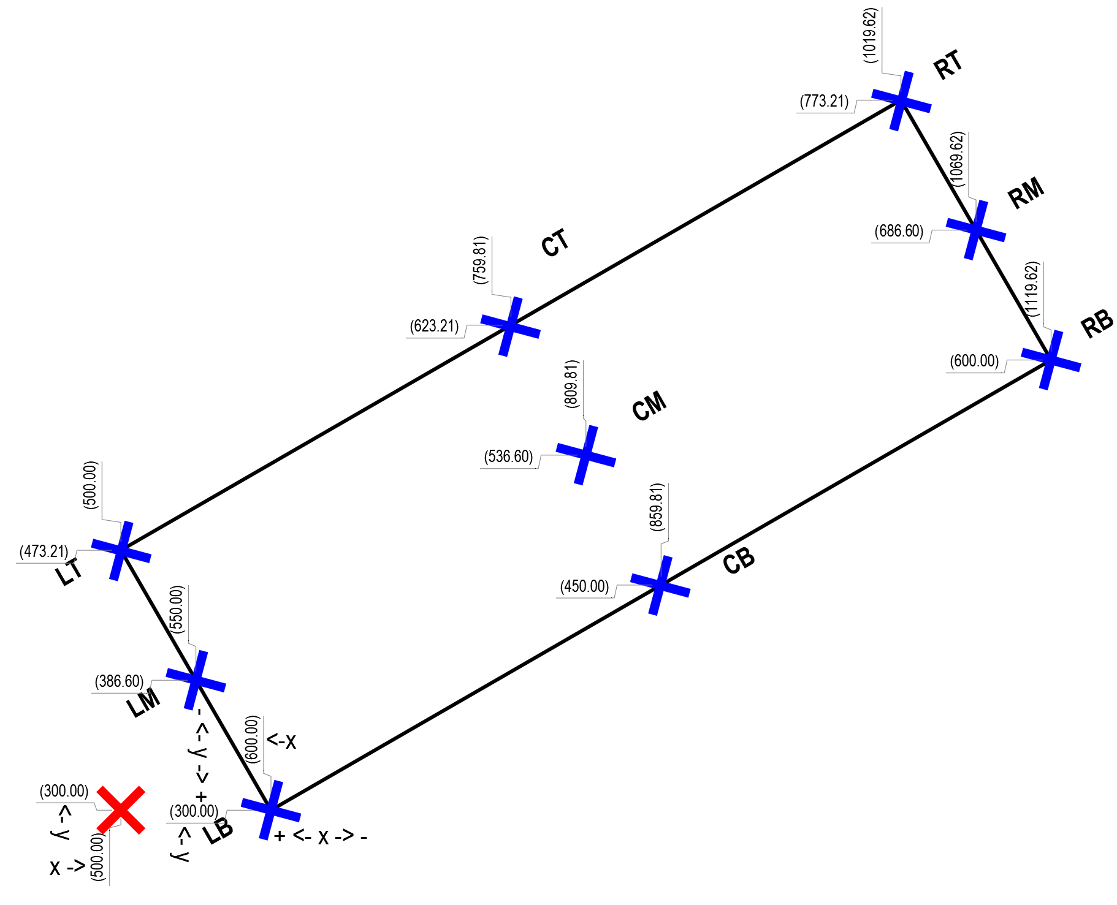
 |  |  |  | optional 2 |  |  |  |  |  | optional 2
 |  |  |  | Page Rotation | 0.00 |  |  |  |  | Page Rotation | 0.00
 |  |  |  | TB Rotation | 30.00 |  |  |  |  | TB Rotation | 30.00 | 30.00 |  |  |  | Sin | Cos
 |  |  |  |  |  |  |  |  |  | Sin Angle | 0.50 |  | W | 600.00 | 600.00 | 300.00 | 519.62
 |  |  |  | TB Rotation |  |  |  |  |  | Cos Angle | 0.87 |  | H | 200.00 | 200.00 | 100.00 | 173.21
 |  |  | Sin Angle | 30.00 | 0.50 |  |  |  |  |  | step a - adjust origin to LT
 |  |  | Cos Angle | 30.00 | 0.87 |  |  |  |  |  | origin
 |  |  |  | PG Rotation |  |  |  |  |  |  |  | move start point to LT
 |  |  | Sin Angle | 0.00 | 0.00 |  |  |  |  | X | 500.00 | 0.00 |  | 500.00
 |  |  | Cos Angle | 0.00 | 1.00

 |  |  | start point |  |  |  |  |  |  | Y | 300.00 | 173.21 |  | 473.21
 |  |  | x = | 500.00
 |  |  | basis (h) | 200.00 |  |  |  |  |  |  |  | start
 |  |  | adj factor A | 0.00 | sin pg rot |  |  |  |  | RB |  |  |  | R | cosW | w adj | intermediat |  | B | sinH | h adj | final
 |  |  | adj factor B | 0.50 | sin tb rot |  |  |  |  | R | X | 500.00 | + | 1.00 | 519.62 | 519.62 | 1019.62 | + | 1.00 | 100.00 | 100.00 | 1119.62
 |  |  | final adj | 0.00 |  |  |  |  |  | B |  |  |  | R | sinW | w adj |  |  | B | cosH
 |  |  | final value | 500.00 |  |  |  |  |  |  | Y | 473.21 | + | 1.00 | 300.00 | 300.00 | 773.21 | - | 1.00 | 173.21 | 173.21 | 600.00

 |  |  |  |  |  |  |  |  |  | CM |  |  |  | C | cosW | w adj | intermediat |  | M | sinH | h adj | final
 |  |  | y = | 473.21 |  |  |  |  |  | C | X | 500.00 | + | 0.50 | 519.62 | 259.81 | 759.81 | + | 0.50 | 100.00 | 50.00 | 809.81
 |  |  | basis (h) | 200.00 |  |  |  |  |  | M |  |  |  | C | sinW | w adj |  |  | M | cosH
 |  |  | adj factor A | 1.00 | cos pg rot |  |  |  |  |  | Y | 473.21 | + | 0.50 | 300.00 | 150.00 | 623.21 | - | 0.50 | 173.21 | 86.60 | 536.60
 |  |  | adj factor B | 0.87 | cos tb rot
 |  |  | final adj | 173.21 |  |  |  |  |  | CB |  |  |  | C | cosW | w adj | intermediat |  | B | sinH | h adj | final
 |  |  | final value | 300.00 |  |  |  |  |  | C | X | 500.00 | + | 0.50 | 519.62 | 259.81 | 759.81 | + | 1.00 | 100.00 | 100.00 | 859.81
 |  |  |  |  |  |  |  |  |  | B |  |  |  | C | sinW | w adj |  |  | B | cosH
 |  |  |  |  |  |  |  |  |  |  | Y | 473.21 | + | 0.50 | 300.00 | 150.00 | 623.21 | - | 1.00 | 173.21 | 173.21 | 450.00

 |  |  |  |  |  |  |  |  |  | RT |  |  |  | R | cosW | w adj | intermediat |  | T | sinH | h adj | final
 |  |  |  |  |  |  |  |  |  | R | X | 500.00 | + | 1.00 | 519.62 | 519.62 | 1019.62 | + | 0.00 | 100.00 | 0.00 | 1019.62
 |  |  |  |  |  |  |  |  |  | T |  |  |  | R | sinW | w adj |  |  | T | cosH
 |  |  |  |  |  |  |  |  |  |  | Y | 473.21 | + | 1.00 | 300.00 | 300.00 | 773.21 | - | 0.00 | 173.21 | 0.00 | 773.21

 |  |  |  |  |  |  |  |  | page rotation 90

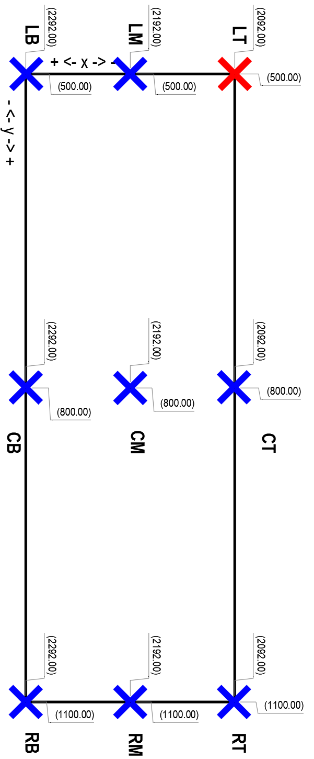

 |  |  |  |  |  |  |  |  |  | optional 7
 |  |  |  |  |  |  |  |  |  | Page Rotation | 90.00 |  |  |  | + | if (pgr=90 & tbr !=90) swap h&w
 |  |  |  |  |  |  |  |  |  | TB Rotation | 0.00 | 90.00 |  |  | v | Sin | Cos
 |  |  |  |  |  |  |  |  |  | Sin Angle | 1.00 |  | W | 200.00 | 600.00 | 600.00 | 0.00
 |  |  |  |  |  |  |  |  |  | Cos Angle | 0.00 |  | H | 600.00 | 200.00 | 200.00 | 0.00
 |  |  |  |  |  |  |  |  |  |  | step a - adjust origin to LT
 |  |  |  |  |  |  |  |  |  |  | origin
 |  |  |  |  |  |  |  |  |  |  |  | move start point to LT
 |  |  |  |  |  |  |  |  |  | X | 2092.00 | 0.00 |  | 2092.00

 |  |  |  |  |  |  |  |  |  | Y | 500.00 | 0.00 |  | 500.00

 |  |  |  |  |  |  |  |  |  |  |  | start
 |  |  |  |  |  |  |  |  |  | RB |  |  |  | R | cosW | w adj | intermediat |  | B | sinH | h adj | final
 |  |  |  |  |  |  |  |  |  | R | X | 2092.00 | + | 1.00 | 0.00 | 0.00 | 2092.00 | + | 1.00 | 200.00 | 200.00 | 2292.00
 |  |  |  |  |  |  |  |  |  | B |  |  |  | R | sinW | w adj |  |  | B | cosH
 |  |  |  |  |  |  |  |  |  |  | Y | 500.00 | + | 1.00 | 600.00 | 600.00 | 1100.00 | - | 1.00 | 0.00 | 0.00 | 1100.00

 |  |  |  |  |  |  |  |  |  | CM |  |  |  | C | cosW | w adj | intermediat |  | M | sinH | h adj | final
 |  |  |  |  |  |  |  |  |  | C | X | 2092.00 | + | 0.50 | 0.00 | 0.00 | 2092.00 | + | 0.50 | 200.00 | 100.00 | 2192.00
 |  |  |  |  |  |  |  |  |  | M |  |  |  | C | sinW | w adj |  |  | M | cosH
 |  |  |  |  |  |  |  |  |  |  | Y | 500.00 | + | 0.50 | 600.00 | 300.00 | 800.00 | - | 0.50 | 0.00 | 0.00 | 800.00

 |  |  |  |  |  |  |  |  |  | CB |  |  |  | C | cosW | w adj | intermediat |  | B | sinH | h adj | final
 |  |  |  |  |  |  |  |  |  | C | X | 2092.00 | + | 0.50 | 0.00 | 0.00 | 2092.00 | + | 1.00 | 200.00 | 200.00 | 2292.00
 |  |  |  |  |  |  |  |  |  | B |  |  |  | C | sinW | w adj |  |  | B | cosH
 |  |  |  |  |  |  |  |  |  |  | Y | 500.00 | + | 0.50 | 600.00 | 300.00 | 800.00 | - | 1.00 | 0.00 | 0.00 | 800.00

 |  |  |  |  |  |  |  |  |  | RT |  |  |  | R | cosW | w adj | intermediat |  | T | sinH | h adj | final
 |  |  |  |  |  |  |  |  |  | R | X | 2092.00 | + | 1.00 | 0.00 | 0.00 | 2092.00 | + | 0.00 | 200.00 | 0.00 | 2092.00
 |  |  |  |  |  |  |  |  |  | T |  |  |  | R | sinW | w adj |  |  | T | cosH
 |  |  |  |  |  |  |  |  |  |  | Y | 500.00 | + | 1.00 | 600.00 | 600.00 | 1100.00 | - | 0.00 | 0.00 | 0.00 | 1100.00

 |  |  |  |  |  |  |  |  |  | LT |  |  |  | L | cosW | w adj | intermediat |  | T | sinH | h adj | final
 |  |  |  |  |  |  |  |  |  | L | X | 2092.00 | + | 0.00 | 0.00 | 0.00 | 2092.00 | + | 0.00 | 200.00 | 0.00 | 2092.00
 |  |  |  |  |  |  |  |  |  | T |  |  |  | L | sinW | w adj |  |  | T | cosH
 |  |  |  |  |  |  |  |  |  |  | Y | 500.00 | + | 0.00 | 600.00 | 0.00 | 500.00 | - | 0.00 | 0.00 | 0.00 | 500.00

 |  |  |  |  |  |  |  |  |  |  |  | + |  | for this case, actual TB rotation = page orientation+TB rotation
 |  |  |  |  |  |  |  |  |  |  |  | | |  | width and height are reversed for this sheet orientation
 |  |  |  |  |  |  |  |  |  | optional 8 |  | | |  | for this case flip them back
 |  |  |  |  |  |  |  |  |  | Page Rotation | 90.00 | v
 |  |  |  |  |  |  |  |  |  | TB Rotation | 90.00 | 180.00 |  |  |  | Sin | Cos
 |  |  |  |  |  |  |  |  |  | Sin Angle | 0.00 |  | W | 600.00 | 600.00 | 0.00 | -600.00
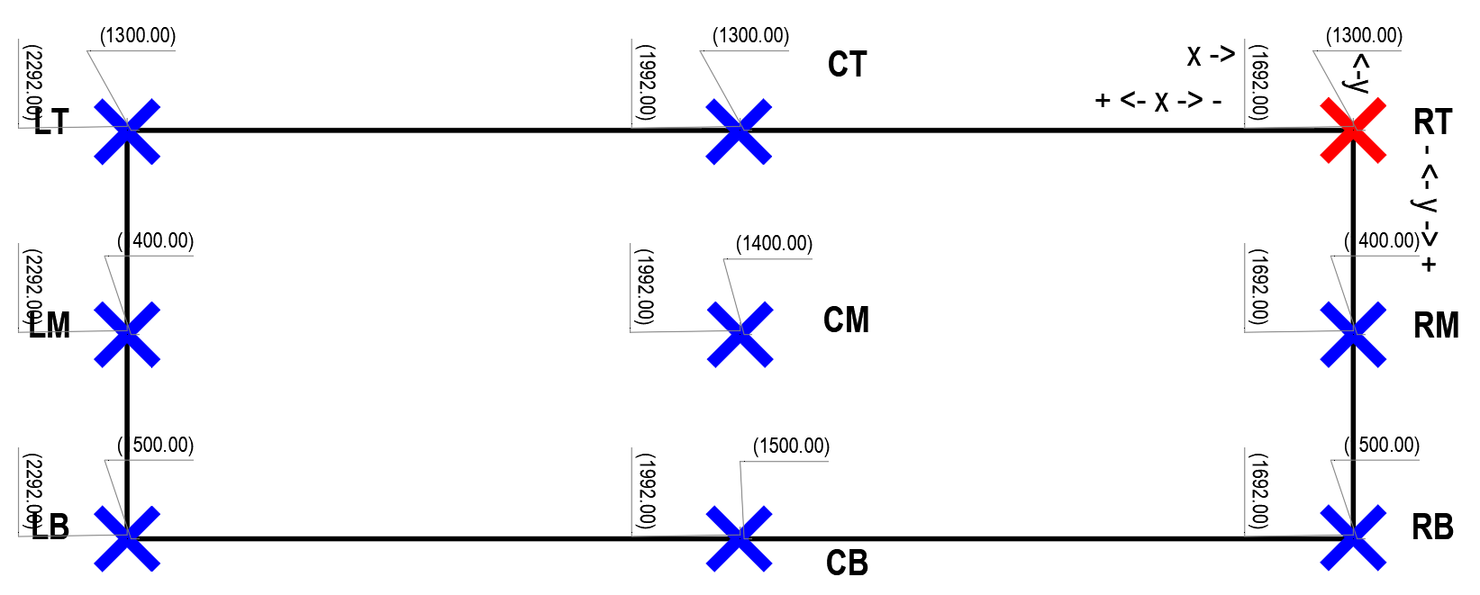
 |  |  |  |  |  |  |  |  |  | Cos Angle | -1.00 |  | H | 200.00 | 200.00 | 0.00 | -200.00
 |  |  |  |  |  |  |  |  |  |  | step a - adjust origin to LT
 |  |  |  |  |  |  |  |  |  |  | origin
 |  |  |  |  |  |  |  |  |  |  |  | move start point to LT
 |  |  |  |  |  |  |  |  |  | X | 1692.00 | -600.00 |  | 2292.00 | U121-V121

 |  |  |  |  |  |  |  |  |  | Y | 1300.00 | 0.00 |  | 1300.00 | U124+V124

 |  |  |  |  |  |  |  |  |  |  |  | start
 |  |  |  |  |  |  |  |  |  | RB |  |  |  | R | cosW | w adj | intermediat |  | B | sinH | h adj | final
 |  |  |  |  |  |  |  |  |  | R | X | 2292.00 | + | 1.00 | -600.00 | -600.00 | 1692.00 | + | 1.00 | 0.00 | 0.00 | 1692.00
 |  |  |  |  |  |  |  |  |  | B |  |  |  | R | sinW | w adj |  |  | B | cosH
 |  |  |  |  |  |  |  |  |  |  | Y | 1300.00 | + | 1.00 | 0.00 | 0.00 | 1300.00 | - | 1.00 | -200.00 | -200.00 | 1500.00

 |  |  |  |  |  |  |  |  |  | CM |  |  |  | C | cosW | w adj | intermediat |  | M | sinH | h adj | final
 |  |  |  |  |  |  |  |  |  | C | X | 2292.00 | + | 0.50 | -600.00 | -300.00 | 1992.00 | + | 0.50 | 0.00 | 0.00 | 1992.00
 |  |  |  |  |  |  |  |  |  | M |  |  |  | C | sinW | w adj |  |  | M | cosH
 |  |  |  |  |  |  |  |  |  |  | Y | 1300.00 | + | 0.50 | 0.00 | 0.00 | 1300.00 | - | 0.50 | -200.00 | -100.00 | 1400.00

 |  |  |  |  |  |  |  |  |  | CB |  |  |  | C | cosW | w adj | intermediat |  | B | sinH | h adj | final
 |  |  |  |  |  |  |  |  |  | C | X | 2292.00 | + | 0.50 | -600.00 | -300.00 | 1992.00 | + | 1.00 | 0.00 | 0.00 | 1992.00
 |  |  |  |  |  |  |  |  |  | B |  |  |  | C | sinW | w adj |  |  | B | cosH
 |  |  |  |  |  |  |  |  |  |  | Y | 1300.00 | + | 0.50 | 0.00 | 0.00 | 1300.00 | - | 1.00 | -200.00 | -200.00 | 1500.00

 |  |  |  |  |  |  |  |  |  | RT |  |  |  | R | cosW | w adj | intermediat |  | T | sinH | h adj | final
 |  |  |  |  |  |  |  |  |  | R | X | 2292.00 | + | 1.00 | -600.00 | -600.00 | 1692.00 | + | 0.00 | 0.00 | 0.00 | 1692.00
 |  |  |  |  |  |  |  |  |  | T |  |  |  | R | sinW | w adj |  |  | T | cosH
 |  |  |  |  |  |  |  |  |  |  | Y | 1300.00 | + | 1.00 | 0.00 | 0.00 | 1300.00 | - | 0.00 | -200.00 | 0.00 | 1300.00

 |  |  |  |  |  |  |  |  |  | LT |  |  |  | L | cosW | w adj | intermediat |  | T | sinH | h adj | final
 |  |  |  |  |  |  |  |  |  | L | X | 2292.00 | + | 0.00 | -600.00 | 0.00 | 2292.00 | + | 0.00 | 0.00 | 0.00 | 2292.00
 |  |  |  |  |  |  |  |  |  | T |  |  |  | L | sinW | w adj |  |  | T | cosH
 |  |  |  |  |  |  |  |  |  |  | Y | 1300.00 | + | 0.00 | 0.00 | 0.00 | 1300.00 | - | 0.00 | -200.00 | 0.00 | 1300.00

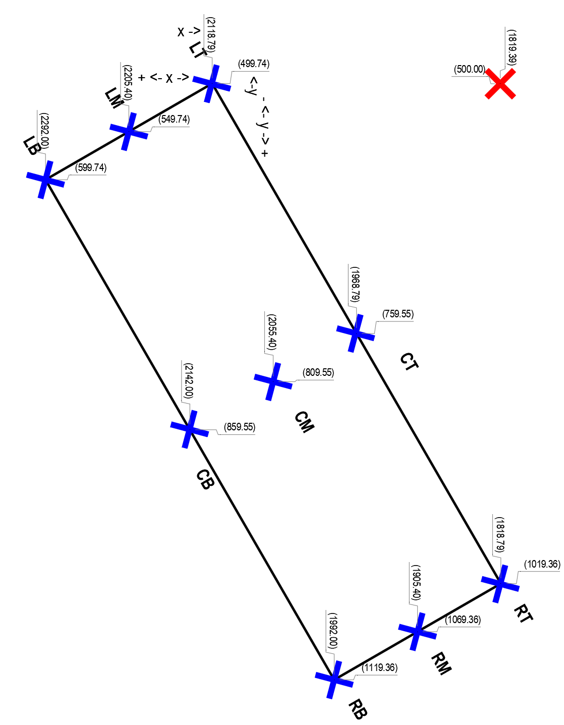
 |  |  |  |  |  |  |  |  |  |  |  | + |  | for this case, actual TB rotation = page orientation+TB rotation
 |  |  |  |  |  |  |  |  |  |  |  | | |  | width and height are reversed for this sheet orientation
 |  |  |  | optional 2 |  |  |  |  |  | optional 2 |  | | |  | for this case flip them back
 |  |  |  | Page Rotation | 90.00 |  |  |  |  | Page Rotation | 90.00 | v
 |  |  |  | TB Rotation | 30.00 |  |  |  |  | TB Rotation | 30.00 | 120.00 |  |  |  | Sin | Cos
 |  |  |  |  |  |  |  |  |  | Sin Angle | 0.87 |  | W | 200.00 | 600.00 | 519.62 | -300.00
 |  |  |  | TB Rotation |  |  |  |  |  | Cos Angle | -0.50 |  | H | 600.00 | 200.00 | 173.21 | -100.00
 |  |  | Sin Angle | 30.00 | 0.50 |  |  |  |  |  | step a - adjust origin to LT
 |  |  | Cos Angle | 30.00 | 0.87 |  |  |  |  |  | origin
 |  |  |  | PG Rotation |  |  |  |  |  |  |  | move start point to LT
 |  |  | Sin Angle | 90.00 | 1.00 |  |  |  |  | X | 1819.39 | -300.00 |  | 2119.39 | U121-V121
 |  |  | Cos Angle | 90.00 | 0.00

 |  |  | start point |  |  |  |  |  |  | Y | 500.00 | 0.00 |  | 500.00 | U124+V124
 |  |  | x = | 1819.39
 |  |  | basis (h) | 600.00 |  | before flip |  |  |  |  |  | start
 |  |  | adj factor A | 1.00 | sin pg rot |  |  |  |  | RB |  |  |  | R | cosW | w adj | intermediat |  | B | sinH | h adj | final
 |  |  | adj factor B | 0.50 | sin tb rot |  |  |  |  | R | X | 2119.39 | + | 1.00 | -300.00 | -300.00 | 1819.39 | + | 1.00 | 173.21 | 173.21 | 1992.60
 |  |  | final adj | 300.00 |  |  |  |  |  | B |  |  |  | R | sinW | w adj |  |  | B | cosH
 |  |  | final value | 2119.39 |  |  |  |  |  |  | Y | 500.00 | + | 1.00 | 519.62 | 519.62 | 1019.62 | - | 1.00 | -100.00 | -100.00 | 1119.62

 |  |  |  |  |  |  |  |  |  | CM |  |  |  | C | cosW | w adj | intermediat |  | M | sinH | h adj | final
 |  |  | y = | 500.00 |  |  |  |  |  | C | X | 2119.39 | + | 0.50 | -300.00 | -150.00 | 1969.39 | + | 0.50 | 173.21 | 86.60 | 2055.99
 |  |  | basis (h) | 600.00 |  | before flip |  |  |  | M |  |  |  | C | sinW | w adj |  |  | M | cosH
 |  |  | adj factor A | 0.00 | cos pg rot |  |  |  |  |  | Y | 500.00 | + | 0.50 | 519.62 | 259.81 | 759.81 | - | 0.50 | -100.00 | -50.00 | 809.81
 |  |  | adj factor B | 0.87 | cos tb rot
 |  |  | final adj | 0.00 |  |  |  |  |  | CB |  |  |  | C | cosW | w adj | intermediat |  | B | sinH | h adj | final
 |  |  | final value | 500.00 |  |  |  |  |  | C | X | 2119.39 | + | 0.50 | -300.00 | -150.00 | 1969.39 | + | 1.00 | 173.21 | 173.21 | 2142.60
 |  |  |  |  |  |  |  |  |  | B |  |  |  | C | sinW | w adj |  |  | B | cosH
 |  |  |  |  |  |  |  |  |  |  | Y | 500.00 | + | 0.50 | 519.62 | 259.81 | 759.81 | - | 1.00 | -100.00 | -100.00 | 859.81

 |  |  |  |  |  |  |  |  |  | RT |  |  |  | R | cosW | w adj | intermediat |  | T | sinH | h adj | final
 |  |  |  |  |  |  |  |  |  | R | X | 2119.39 | + | 1.00 | -300.00 | -300.00 | 1819.39 | + | 0.00 | 173.21 | 0.00 | 1819.39
 |  |  |  |  |  |  |  |  |  | T |  |  |  | R | sinW | w adj |  |  | T | cosH
 |  |  |  |  |  |  |  |  |  |  | Y | 500.00 | + | 1.00 | 519.62 | 519.62 | 1019.62 | - | 0.00 | -100.00 | 0.00 | 1019.62

 |  |  |  |  |  |  |  |  | page rotation 270

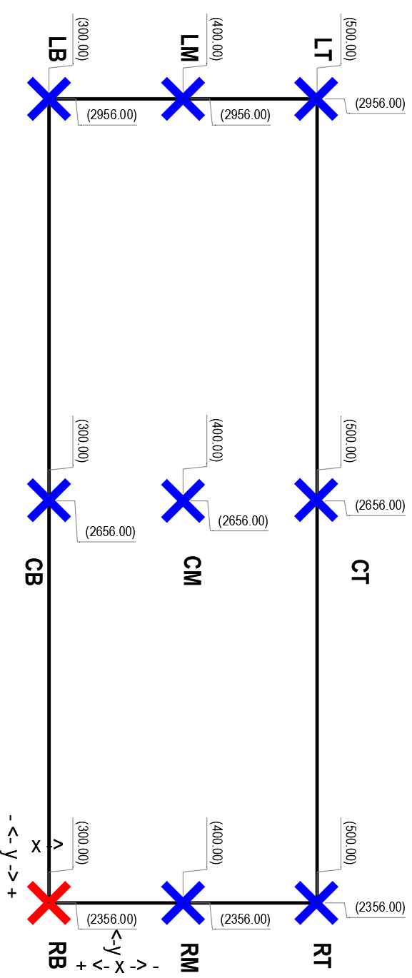
 |  |  |  |  |  |  |  |  |  |  |  | + |  | for this case, actual TB rotation = page orientation+TB rotation
 |  |  |  |  |  |  |  |  |  |  |  | | |  | width and height are reversed for this sheet orientation
 |  |  |  |  |  |  |  |  |  | optional 7 |  | | |  | for this case flip them back
 |  |  |  |  |  |  |  |  |  | Page Rotation | 270.00 | v
 |  |  |  |  |  |  |  |  |  | TB Rotation | 0.00 | 270.00 |  |  |  | Sin | Cos
 |  |  |  |  |  |  |  |  |  | Sin Angle | -1.00 |  | W | 200.00 | 600.00 | -600.00 | 0.00
 |  |  |  |  |  |  |  |  |  | Cos Angle | 0.00 |  | H | 600.00 | 200.00 | -200.00 | 0.00
 |  |  |  |  |  |  |  |  |  |  | step a - adjust origin to LT
 |  |  |  |  |  |  |  |  |  |  | origin
 |  |  |  |  |  |  |  |  |  |  |  | move start point to LT
 |  |  |  |  |  |  |  |  |  | X | 300.00 | -200.00 |  | 500.00

 |  |  |  |  |  |  |  |  |  | Y | 2356.00 | 600.00 |  | 2956.00

 |  |  |  |  |  |  |  |  |  |  |  | start
 |  |  |  |  |  |  |  |  |  | RB |  |  |  | R | cosW | w adj | intermediat |  | B | sinH | h adj | final
 |  |  |  |  |  |  |  |  |  | R | X | 500.00 | + | 1.00 | 0.00 | 0.00 | 500.00 | + | 1.00 | -200.00 | -200.00 | 300.00
 |  |  |  |  |  |  |  |  |  | B |  |  |  | R | sinW | w adj |  |  | B | cosH
 |  |  |  |  |  |  |  |  |  |  | Y | 2956.00 | + | 1.00 | -600.00 | -600.00 | 2356.00 | - | 1.00 | 0.00 | 0.00 | 2356.00

 |  |  |  |  |  |  |  |  |  | CM |  |  |  | C | cosW | w adj | intermediat |  | M | sinH | h adj | final
 |  |  |  |  |  |  |  |  |  | C | X | 500.00 | + | 0.50 | 0.00 | 0.00 | 500.00 | + | 0.50 | -200.00 | -100.00 | 400.00
 |  |  |  |  |  |  |  |  |  | M |  |  |  | C | sinW | w adj |  |  | M | cosH
 |  |  |  |  |  |  |  |  |  |  | Y | 2956.00 | + | 0.50 | -600.00 | -300.00 | 2656.00 | - | 0.50 | 0.00 | 0.00 | 2656.00

 |  |  |  |  |  |  |  |  |  | CB |  |  |  | C | cosW | w adj | intermediat |  | B | sinH | h adj | final
 |  |  |  |  |  |  |  |  |  | C | X | 500.00 | + | 0.50 | 0.00 | 0.00 | 500.00 | + | 1.00 | -200.00 | -200.00 | 300.00
 |  |  |  |  |  |  |  |  |  | B |  |  |  | C | sinW | w adj |  |  | B | cosH
 |  |  |  |  |  |  |  |  |  |  | Y | 2956.00 | + | 0.50 | -600.00 | -300.00 | 2656.00 | - | 1.00 | 0.00 | 0.00 | 2656.00

 |  |  |  |  |  |  |  |  |  | RT |  |  |  | R | cosW | w adj | intermediat |  | T | sinH | h adj | final
 |  |  |  |  |  |  |  |  |  | R | X | 500.00 | + | 1.00 | 0.00 | 0.00 | 500.00 | + | 0.00 | -200.00 | 0.00 | 500.00
 |  |  |  |  |  |  |  |  |  | T |  |  |  | R | sinW | w adj |  |  | T | cosH
 |  |  |  |  |  |  |  |  |  |  | Y | 2956.00 | + | 1.00 | -600.00 | -600.00 | 2356.00 | - | 0.00 | 0.00 | 0.00 | 2356.00

 |  |  |  |  |  |  |  |  |  |  |  | + |  | for this case, actual TB rotation = page orientation+TB rotation
 |  |  |  |  |  |  |  |  |  |  |  | | |  | width and height are reversed for this sheet orientation
 |  |  |  |  |  |  |  |  |  | optional |  | | |  | for this case flip them back
 |  |  |  |  |  |  |  |  |  | Page Rotation | 270.00 | v
 |  |  |  |  |  |  |  |  |  | TB Rotation | 90.00 | 0.00 |  |  |  | Sin | Cos
 |  |  |  |  |  |  |  |  |  | Sin Angle | 0.00 |  | W | 600.00 | 600.00 | 0.00 | 600.00
 |  |  |  |  |  |  |  |  |  | Cos Angle | 1.00 |  | H | 200.00 | 200.00 | 0.00 | 200.00
 |  |  |  |  |  |  |  |  |  |  | step a - adjust origin to LT
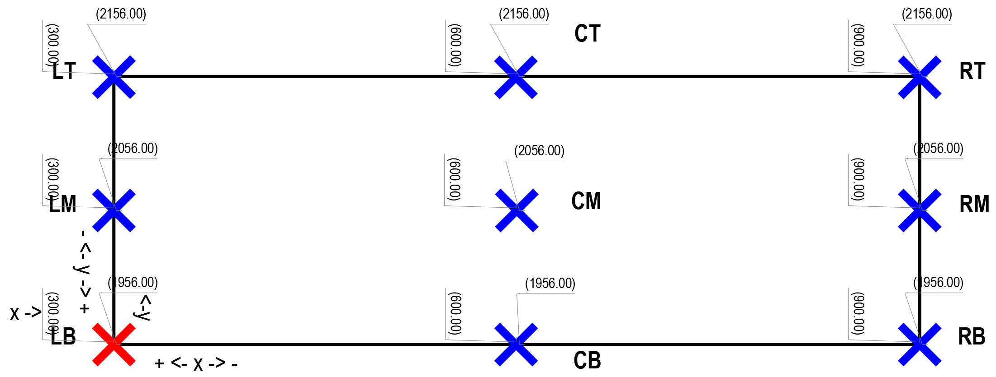
 |  |  |  |  |  |  |  |  |  |  | origin
 |  |  |  |  |  |  |  |  |  |  |  | move start point to LT
 |  |  |  |  |  |  |  |  |  | X | 300.00 | 0.00 |  | 300.00

 |  |  |  |  |  |  |  |  |  | Y | 1956.00 | 200.00 |  | 2156.00

 |  |  |  |  |  |  |  |  |  |  |  | start
 |  |  |  |  |  |  |  |  |  | RB |  |  |  | R | cosW | w adj | intermediat |  | B | sinH | h adj | final
 |  |  |  |  |  |  |  |  |  | R | X | 300.00 | + | 1.00 | 600.00 | 600.00 | 900.00 | + | 1.00 | 0.00 | 0.00 | 900.00
 |  |  |  |  |  |  |  |  |  | B |  |  |  | R | sinW | w adj |  |  | B | cosH
 |  |  |  |  |  |  |  |  |  |  | Y | 2156.00 | + | 1.00 | 0.00 | 0.00 | 2156.00 | - | 1.00 | 200.00 | 200.00 | 1956.00

 |  |  |  |  |  |  |  |  |  | CM |  |  |  | C | cosW | w adj | intermediat |  | M | sinH | h adj | final
 |  |  |  |  |  |  |  |  |  | C | X | 300.00 | + | 0.50 | 600.00 | 300.00 | 600.00 | + | 0.50 | 0.00 | 0.00 | 600.00
 |  |  |  |  |  |  |  |  |  | M |  |  |  | C | sinW | w adj |  |  | M | cosH
 |  |  |  |  |  |  |  |  |  |  | Y | 2156.00 | + | 0.50 | 0.00 | 0.00 | 2156.00 | - | 0.50 | 200.00 | 100.00 | 2056.00

 |  |  |  |  |  |  |  |  |  | CB |  |  |  | C | cosW | w adj | intermediat |  | B | sinH | h adj | final
 |  |  |  |  |  |  |  |  |  | C | X | 300.00 | + | 0.50 | 600.00 | 300.00 | 600.00 | + | 1.00 | 0.00 | 0.00 | 600.00
 |  |  |  |  |  |  |  |  |  | B |  |  |  | C | sinW | w adj |  |  | B | cosH
 |  |  |  |  |  |  |  |  |  |  | Y | 2156.00 | + | 0.50 | 0.00 | 0.00 | 2156.00 | - | 1.00 | 200.00 | 200.00 | 1956.00

 |  |  |  |  |  |  |  |  |  | RT |  |  |  | R | cosW | w adj | intermediat |  | T | sinH | h adj | final
 |  |  |  |  |  |  |  |  |  | R | X | 300.00 | + | 1.00 | 600.00 | 600.00 | 900.00 | + | 0.00 | 0.00 | 0.00 | 900.00
 |  |  |  |  |  |  |  |  |  | T |  |  |  | R | sinW | w adj |  |  | T | cosH
 |  |  |  |  |  |  |  |  |  |  | Y | 2156.00 | + | 1.00 | 0.00 | 0.00 | 2156.00 | - | 0.00 | 200.00 | 0.00 | 2156.00

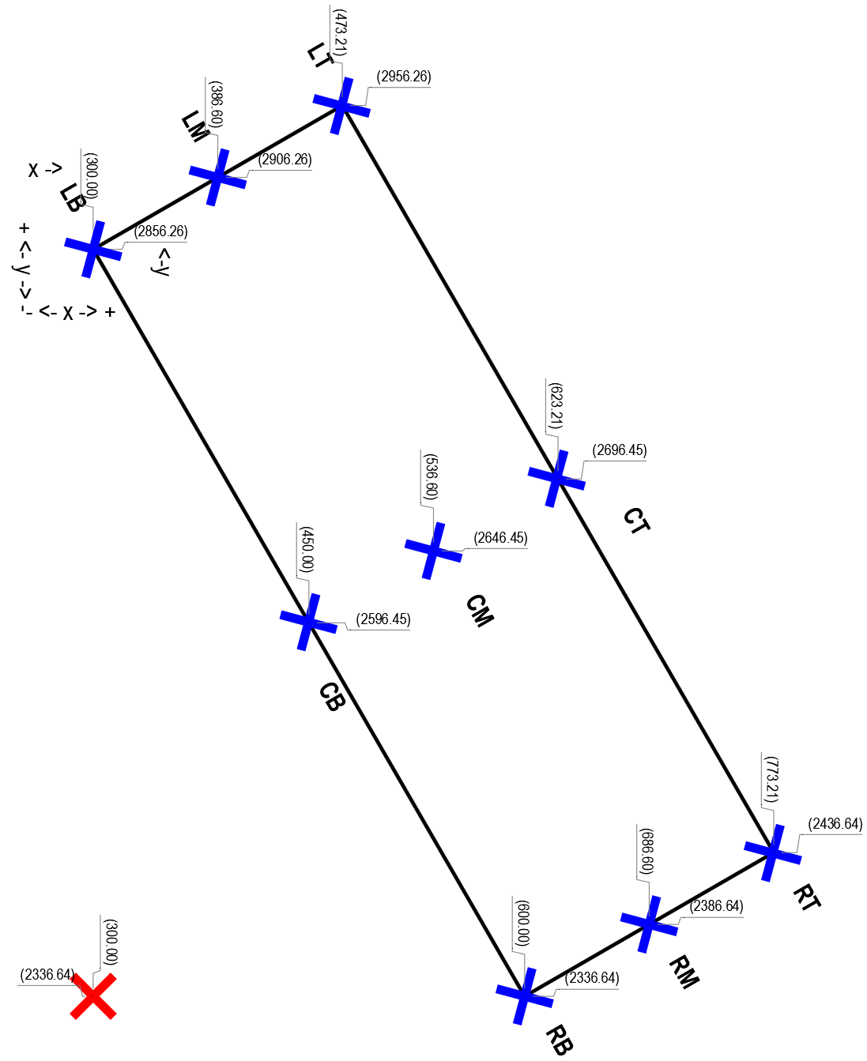
 |  |  |  |  |  |  |  |  |  |  |  | + |  | for this case, actual TB rotation = page orientation+TB rotation
 |  |  |  |  |  |  |  |  |  |  |  | | |  | width and height are reversed for this sheet orientation
 |  |  |  | optional 2 |  |  |  |  |  | optional 2 |  | | |  | for this case flip them back
 |  |  |  | Page Rotation | 270.00 |  |  |  |  | Page Rotation | 270.00 | v
 |  |  |  | TB Rotation | 30.00 |  |  |  |  | TB Rotation | 30.00 | 300.00 |  |  |  | Sin | Cos
 |  |  |  |  |  |  |  |  |  | Sin Angle | -0.87 |  | W | 200.00 | 600.00 | -519.62 | 300.00
 |  |  |  | TB Rotation |  |  |  |  |  | Cos Angle | 0.50 |  | H | 600.00 | 200.00 | -173.21 | 100.00
 |  |  | Sin Angle | 30.00 | 0.50 |  |  |  |  |  | step a - adjust origin to LT
 |  |  | Cos Angle | 30.00 | 0.87 |  |  |  |  |  | origin
 |  |  |  | PG Rotation |  |  |  |  |  |  |  | move start point to LT
 |  |  | Sin Angle | 270.00 | -1.00 |  |  |  |  | X | 300.00 | -173.21 |  | 473.21
 |  |  | Cos Angle | 270.00 | 0.00

 |  |  | start point |  |  |  |  |  |  | Y | 2336.64 | -519.62 |  | 2956.26
 |  |  | x = | 300.00
 |  |  | basis (w) | 200.00 | before flip |  |  |  |  |  |  | start
 |  |  | adjust | 0.87 | cos tb rot |  |  |  |  | RB |  |  |  | R | cosW | w adj | intermediat |  | B | sinH | h adj | final
 |  |  | final adjust 2 | 173.21 |  |  |  |  |  | R | X | 473.21 | + | 1.00 | 300.00 | 300.00 | 773.21 | + | 1.00 | -173.21 | -173.21 | 600.00
 |  |  | final adj | 473.21 |  |  |  |  |  | B |  |  |  | R | sinW | w adj |  |  | B | cosH
 |  |  |  |  |  |  |  |  |  |  | Y | 2956.26 | + | 1.00 | -519.62 | -519.62 | 2436.64 | - | 1.00 | 100.00 | 100.00 | 2336.64
 |  |  | y= | 2336.64
 |  |  | basis 1 (h) | 600.00 |  | before flip |  |  |  | CM |  |  |  | C | cosW | w adj | intermediat |  | M | sinH | h adj | final
 |  |  | adj factor A | 1.00 | sin pg rot |  |  |  |  | C | X | 473.21 | + | 0.50 | 300.00 | 150.00 | 623.21 | + | 0.50 | -173.21 | -86.60 | 536.60
 |  |  | adj factor B | 0.87 | cos tb rot |  |  |  |  | M |  |  |  | C | sinW | w adj |  |  | M | cosH
 |  |  |  | 519.62 |  |  |  |  |  |  | Y | 2956.26 | + | 0.50 | -519.62 | -259.81 | 2696.45 | - | 0.50 | 100.00 | 50.00 | 2646.45
 |  |  | basis 2 (w) | 200.00 |  | befire flip
 |  |  | adj factor A | 1.00 | cos pg rot |  |  |  |  | CB |  |  |  | C | cosW | w adj | intermediat |  | B | sinH | h adj | final
 |  |  | adj factor B | 0.50 | sin tb rot |  |  |  |  | C | X | 473.21 | + | 0.50 | 300.00 | 150.00 | 623.21 | + | 1.00 | -173.21 | -173.21 | 450.00
 |  |  |  | 100.00 |  |  |  |  |  | B |  |  |  | C | sinW | w adj |  |  | B | cosH
 |  |  | final adj | 2956.26 |  |  |  |  |  |  | Y | 2956.26 | + | 0.50 | -519.62 | -259.81 | 2696.45 | - | 1.00 | 100.00 | 100.00 | 2596.45

 |  |  |  |  |  |  |  |  |  | RT |  |  |  | R | cosW | w adj | intermediat |  | T | sinH | h adj | final
 |  |  |  |  |  |  |  |  |  | R | X | 473.21 | + | 1.00 | 300.00 | 300.00 | 773.21 | + | 0.00 | -173.21 | 0.00 | 773.21
 |  |  |  |  |  |  |  |  |  | T |  |  |  | R | sinW | w adj |  |  | T | cosH
 |  |  |  |  |  |  |  |  |  |  | Y | 2956.26 | + | 1.00 | -519.62 | -519.62 | 2436.64 | - | 0.00 | 100.00 | 0.00 | 2436.64

tx origin
 | in alphabetical order |  | confirmed again
 | C | L | R | B | C | L | M | R | T
W adj | 0.50 | 0.00 | 1.00 | 0.00 | 0.50 | 0.00 | 0.50 | 1.00 | 1.00
 | B | M | T
H adj | 0.00 | 0.50 | 1.00

 |  |  |  |  |  |  |  |  |  | sheet rotation | 0°

 |  |  |  |  |  |  |  |  |  |  |  | optional 7
 |  |  |  |  |  |  |  |  |  |  |  | Sheet Rotation | 0.00
 |  |  |  |  |  |  |  |  |  |  |  | TB Rotation | 0.00 |  | 0.00 |  | dist | swap? | FALSE |  | Sin |  |  |  | Cos
 |  |  |  |  |  |  |  |  |  |  |  | Sin Angle | 0.00 |  |  | W | 600.00 | FALSE | 600.00 | sinW | 0.00 |  | cosW |  | 600.00
 |  |  |  |  |  |  |  |  |  |  |  | Cos Angle | 1.00 |  |  | H | 200.00 | FALSE | 200.00 | sinH | 0.00 |  | cosH |  | 200.00

 |  |  |  |  |  |  |  |  |  |  |  | Start Point (LB)
 |  |  |  |  |  |  |  |  |  |  |  | X | 500.00
 |  |  |  |  |  |  |  |  |  |  |  | Y | 300.00

 |  |  |  |  |  |  |  |  |  |  |  | RT |  | correct | R | cosW | adj1 | T | sinH | adj2 | start |  | adj1 |  | adj2 |  | final
 |  |  |  |  |  |  |  |  |  |  |  | R | X | 1100.00 | 1.00 | 600.00 | 600.00 | 1.00 | 0.00 | 0.00 | 500.00 | + | 600.00 | - | 0.00 | = | 1100.00 | good
 |  |  |  |  |  |  |  |  |  |  |  |  |  |  | R | sinW |  | T | cosH
 |  |  |  |  |  |  |  |  |  |  |  | T | Y | 500.00 | 1.00 | 0.00 | 0.00 | 1.00 | 200.00 | 200.00 | 300.00 | + | 0.00 | + | 200.00 | = | 500.00 | good

 |  |  |  |  |  |  |  |  |  |  |  | RB |  | correct | R | cosW | adj1 | B | sinH | adj2 | start |  | adj1 |  | adj2 |  | final
 |  |  |  |  |  |  |  |  |  |  |  | R | X | 1100.00 | 1.00 | 600.00 | 600.00 | 0.00 | 0.00 | 0.00 | 500.00 | + | 600.00 | - | 0.00 | = | 1100.00 | good
 |  |  |  |  |  |  |  |  |  |  |  |  |  |  | R | sinW |  | B | cosH
 |  |  |  |  |  |  |  |  |  |  |  | B | Y | 300.00 | 1.00 | 0.00 | 0.00 | 0.00 | 200.00 | 0.00 | 300.00 | + | 0.00 | + | 0.00 | = | 300.00 | good

 |  |  |  |  |  |  |  |  |  |  |  | CM |  | correct | C | cosW | adj1 | M | sinH | adj2 | start |  | adj1 |  | adj2 |  | final
 |  |  |  |  |  |  |  |  |  |  |  | C | X | 800.00 | 0.50 | 600.00 | 300.00 | 0.50 | 0.00 | 0.00 | 500.00 | + | 300.00 | - | 0.00 | = | 800.00 | good
 |  |  |  |  |  |  |  |  |  |  |  |  |  |  | C | sinW |  | M | cosH
 |  |  |  |  |  |  |  |  |  |  |  | M | Y | 400.00 | 0.50 | 0.00 | 0.00 | 0.50 | 200.00 | 100.00 | 300.00 | + | 0.00 | + | 100.00 | = | 400.00 | good

 |  |  |  |  |  |  |  |  |  |  |  | optional 8
 |  |  |  |  |  |  |  |  |  |  |  | Sheet Rotation | 0.00
 |  |  |  |  |  |  |  |  |  |  |  | TB Rotation | 90.00 |  | 90.00 |  | dist | swap? | TRUE |  | Sin |  |  |  | Cos
 |  |  |  |  |  |  |  |  |  |  |  | Sin Angle | 1.00 |  |  | W | 200.00 | TRUE | 600.00 | sinW | 600.00 |  | cosW |  | 0.00
 |  |  |  |  |  |  |  |  |  |  |  | Cos Angle | 0.00 |  |  | H | 600.00 | TRUE | 200.00 | sinH | 200.00 |  | cosH |  | 0.00

 |  |  |  |  |  |  |  |  |  |  |  | Start Point (LB)
 |  |  |  |  |  |  |  |  |  |  |  | X | 1500.00
 |  |  |  |  |  |  |  |  |  |  |  | Y | 300.00

 |  |  |  |  |  |  |  |  |  |  | RT | swap? | FALSE | correct | R | cosW | adj1 | T | sinH | adj2 | start |  | adj1 |  | adj2 |  | final
 |  |  |  |  |  |  |  |  |  |  | R | R | X | 1300.00 | 1.00 | 0.00 | 0.00 | 1.00 | 200.00 | 200.00 | 1500.00 | + | 0.00 | - | 200.00 | = | 1300.00 | good
 |  |  |  |  |  |  |  |  |  |  |  |  |  |  | R | sinW |  | T | cosH
 |  |  |  |  |  |  |  |  |  |  | T | T | Y | 900.00 | 1.00 | 600.00 | 600.00 | 1.00 | 0.00 | 0.00 | 300.00 | + | 600.00 | + | 0.00 | = | 900.00 | good

 |  |  |  |  |  |  |  |  |  |  | RB | swap? | FALSE | correct | R | cosW | adj1 | B | sinH | adj2 | start |  | adj1 |  | adj2 |  | final
 |  |  |  |  |  |  |  |  |  |  | R | R | X | 1500.00 | 1.00 | 0.00 | 0.00 | 0.00 | 200.00 | 0.00 | 1500.00 | + | 0.00 | - | 0.00 | = | 1500.00 | good
 |  |  |  |  |  |  |  |  |  |  |  |  |  |  | R | sinW |  | B | cosH
 |  |  |  |  |  |  |  |  |  |  | B | B | Y | 900.00 | 1.00 | 600.00 | 600.00 | 0.00 | 0.00 | 0.00 | 300.00 | + | 600.00 | + | 0.00 | = | 900.00 | good

 |  |  |  |  |  |  |  |  |  |  | CM | swap? | FALSE | correct | C | cosW | adj1 | M | sinH | adj2 | start |  | adj1 |  | adj2 |  | final
 |  |  |  |  |  |  |  |  |  |  | C | C | X | 1400.00 | 0.50 | 0.00 | 0.00 | 0.50 | 200.00 | 100.00 | 1500.00 | + | 0.00 | - | 100.00 | = | 1400.00 | good
 |  |  |  |  |  |  |  |  |  |  |  |  |  |  | C | sinW |  | M | cosH
 |  |  |  |  |  |  |  |  |  |  | M | M | Y | 600.00 | 0.50 | 600.00 | 300.00 | 0.50 | 0.00 | 0.00 | 300.00 | + | 300.00 | + | 0.00 | = | 600.00 | good

 |  |  |  |  |  |  |  |  |  |  |  | optional 2
 |  |  |  |  |  |  |  |  |  |  |  | Sheet Rotation | 0.00
 |  |  |  |  |  |  |  |  |  |  |  | TB Rotation | 30.00 |  | 30.00 |  | dist | swap? | FALSE |  | Sin |  |  |  | Cos
 |  |  |  |  |  |  |  |  |  |  |  | Sin Angle | 0.50 |  |  | W | 600.00 | FALSE | 600.00 | sinW | 300.00 |  | cosW |  | 519.62
 |  |  |  |  |  |  |  |  |  |  |  | Cos Angle | 0.87 |  |  | H | 200.00 | FALSE | 200.00 | sinH | 100.00 |  | cosH |  | 173.21

 |  |  |  |  |  |  |  |  |  |  |  | Start Point (LB)
 |  |  |  |  |  |  |  |  |  |  |  | X | 600.00
 |  |  |  |  |  |  |  |  |  |  |  | Y | 300.00

 |  |  |  |  |  |  |  |  |  |  | RT | swap? | FALSE | correct | R | cosW | adj1 | T | sinH | adj2 | start |  | adj1 |  | adj2 |  | final
 |  |  |  |  |  |  |  |  |  |  | R | R | X | 1019.62 | 1.00 | 519.62 | 519.62 | 1.00 | 100.00 | 100.00 | 600.00 | + | 519.62 | - | 100.00 | = | 1019.62 | good
 |  |  |  |  |  |  |  |  |  |  |  |  |  |  | R | sinW |  | T | cosH
 |  |  |  |  |  |  |  |  |  |  | T | T | Y | 773.21 | 1.00 | 300.00 | 300.00 | 1.00 | 173.21 | 173.21 | 300.00 | + | 300.00 | + | 173.21 | = | 773.21 | good

 |  |  |  |  |  |  |  |  |  |  | RB | swap? | FALSE | correct | R | cosW | adj1 | B | sinH | adj2 | start |  | adj1 |  | adj2 |  | final
 |  |  |  |  |  |  |  |  |  |  | R | R | X | 1119.62 | 1.00 | 519.62 | 519.62 | 0.00 | 100.00 | 0.00 | 600.00 | + | 519.62 | - | 0.00 | = | 1119.62 | good
 |  |  |  |  |  |  |  |  |  |  |  |  |  |  | R | sinW |  | B | cosH
 |  |  |  |  |  |  |  |  |  |  | B | B | Y | 600.00 | 1.00 | 300.00 | 300.00 | 0.00 | 173.21 | 0.00 | 300.00 | + | 300.00 | + | 0.00 | = | 600.00 | good

 |  |  |  |  |  |  |  |  |  |  | CM | swap? | FALSE | correct | C | cosW | adj1 | M | sinH | adj2 | start |  | adj1 |  | adj2 |  | final
 |  |  |  |  |  |  |  |  |  |  | C | C | X | 809.81 | 0.50 | 519.62 | 259.81 | 0.50 | 100.00 | 50.00 | 600.00 | + | 259.81 | - | 50.00 | = | 809.81 | good
 |  |  |  |  |  |  |  |  |  |  |  |  |  |  | C | sinW |  | M | cosH
 |  |  |  |  |  |  |  |  |  |  | M | M | Y | 536.60 | 0.50 | 300.00 | 150.00 | 0.50 | 173.21 | 86.60 | 300.00 | + | 150.00 | + | 86.60 | = | 536.60 | good

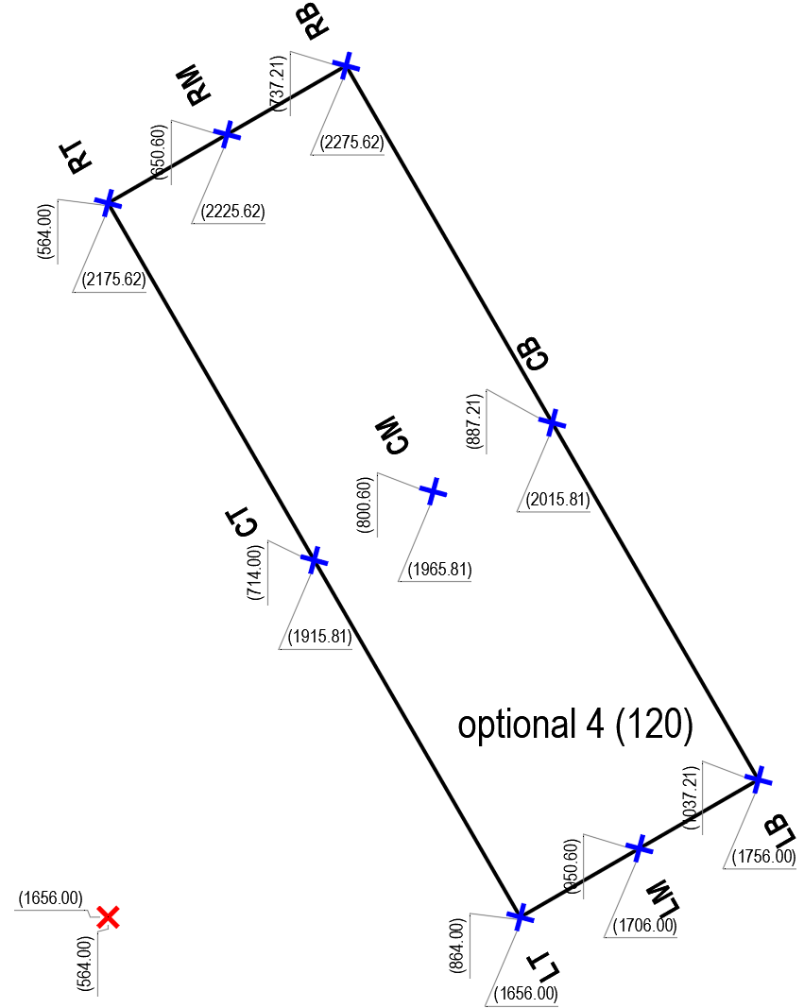

 |  |  |  |  |  |  |  |  |  |  |  | optional 4
 |  |  |  |  |  |  |  |  |  |  |  | Sheet Rotation | 0.00
 |  |  |  |  |  |  |  |  |  |  |  | TB Rotation | 120.00 |  | 120.00 |  | dist | swap? | FALSE |  | Sin |  |  |  | Cos
 |  |  |  |  |  |  |  |  |  |  |  | Sin Angle | 0.87 |  |  | W | 600.00 | FALSE | 600.00 | sinW | 519.62 |  | cosW |  | -300.00
 |  |  |  |  |  |  |  |  |  |  |  | Cos Angle | -0.50 |  |  | H | 200.00 | FALSE | 200.00 | sinH | 173.21 |  | cosH |  | -100.00

 |  |  |  |  |  |  |  |  |  |  |  | Start Point (LB)
 |  |  |  |  |  |  |  |  |  |  |  | X | 1037.21
 |  |  |  |  |  |  |  |  |  |  |  | Y | 1756.00

 |  |  |  |  |  |  |  |  |  |  | RT | swap? | FALSE | correct | R | cosW | adj1 | T | sinH | adj2 | start |  | adj1 |  | adj2 |  | final
 |  |  |  |  |  |  |  |  |  |  | R | R | X | 564.00 | 1.00 | -300.00 | -300.00 | 1.00 | 173.21 | 173.21 | 1037.21 | + | -300.00 | - | 173.21 | = | 564.00 | good
 |  |  |  |  |  |  |  |  |  |  |  |  |  |  | R | sinW |  | T | cosH
 |  |  |  |  |  |  |  |  |  |  | T | T | Y | 2175.62 | 1.00 | 519.62 | 519.62 | 1.00 | -100.00 | -100.00 | 1756.00 | + | 519.62 | + | -100.00 | = | 2175.62 | good

 |  |  |  |  |  |  |  |  |  |  | RB | swap? | FALSE | correct | R | cosW | adj1 | B | sinH | adj2 | start |  | adj1 |  | adj2 |  | final
 |  |  |  |  |  |  |  |  |  |  | R | R | X | 737.21 | 1.00 | -300.00 | -300.00 | 0.00 | 173.21 | 0.00 | 1037.21 | + | -300.00 | - | 0.00 | = | 737.21 | good
 |  |  |  |  |  |  |  |  |  |  |  |  |  |  | R | sinW |  | B | cosH
 |  |  |  |  |  |  |  |  |  |  | B | B | Y | 2275.62 | 1.00 | 519.62 | 519.62 | 0.00 | -100.00 | 0.00 | 1756.00 | + | 519.62 | + | 0.00 | = | 2275.62 | good

 |  |  |  |  |  |  |  |  |  |  | CM | swap? | FALSE | correct | C | cosW | adj1 | M | sinH | adj2 | start |  | adj1 |  | adj2 |  | final
 |  |  |  |  |  |  |  |  |  |  | C | C | X | 800.61 | 0.50 | -300.00 | -150.00 | 0.50 | 173.21 | 86.60 | 1037.21 | + | -150.00 | - | 86.60 | = | 800.61 | good
 |  |  |  |  |  |  |  |  |  |  |  |  |  |  | C | sinW |  | M | cosH
 |  |  |  |  |  |  |  |  |  |  | M | M | Y | 1965.81 | 0.50 | 519.62 | 259.81 | 0.50 | -100.00 | -50.00 | 1756.00 | + | 259.81 | + | -50.00 | = | 1965.81 | good

 |  |  |  |  |  |  |  |  |  | sheet rotation | 90°
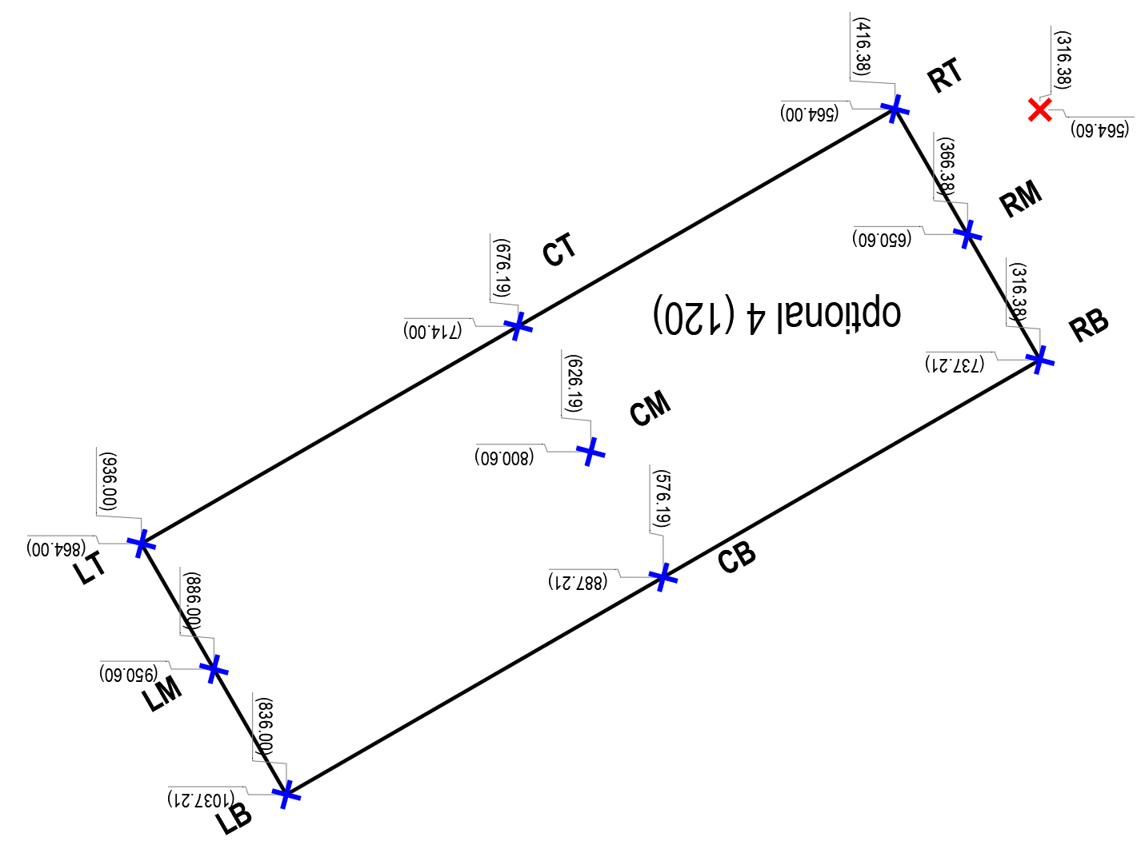

 |  |  |  |  |  |  |  |  |  |  |  | optional 4
 |  |  |  |  |  |  |  |  |  |  |  | Sheet Rotation | 90.00
 |  |  |  |  |  |  |  |  |  |  |  | TB Rotation | 120.00 |  | 210.00 |  | dist | swap? | TRUE |  | Sin |  |  |  | Cos
 |  |  |  |  |  |  |  |  |  |  |  | Sin Angle | -0.50 |  |  | W | 200.00 | TRUE | 600.00 | sinW | -300.00 |  | cosW |  | -519.62
 |  |  |  |  |  |  |  |  |  |  |  | Cos Angle | -0.87 |  |  | H | 600.00 | TRUE | 200.00 | sinH | -100.00 |  | cosH |  | -173.21

 |  |  |  |  |  |  |  |  |  |  |  | Start Point (LB)
 |  |  |  |  |  |  |  |  |  |  |  | X | 836.00
 |  |  |  |  |  |  |  |  |  |  |  | Y | 1037.21

 |  |  |  |  |  |  |  |  |  |  | RT | swap? | FALSE | correct | R | cosW | adj1 | T | sinH | adj2 | start |  | adj1 |  | adj2 |  | final
 |  |  |  |  |  |  |  |  |  |  | R | R | X | 416.38 | 1.00 | -519.62 | -519.62 | 1.00 | -100.00 | -100.00 | 836.00 | + | -519.62 | - | -100.00 | = | 416.38 | good
 |  |  |  |  |  |  |  |  |  |  |  |  |  |  | R | sinW |  | T | cosH
 |  |  |  |  |  |  |  |  |  |  | T | T | Y | 564.00 | 1.00 | -300.00 | -300.00 | 1.00 | -173.21 | -173.21 | 1037.21 | + | -300.00 | + | -173.21 | = | 564.00 | good

 |  |  |  |  |  |  |  |  |  |  | RB | swap? | FALSE | correct | R | cosW | adj1 | B | sinH | adj2 | start |  | adj1 |  | adj2 |  | final
 |  |  |  |  |  |  |  |  |  |  | R | R | X | 316.38 | 1.00 | -519.62 | -519.62 | 0.00 | -100.00 | 0.00 | 836.00 | + | -519.62 | - | 0.00 | = | 316.38 | good
 |  |  |  |  |  |  |  |  |  |  |  |  |  |  | R | sinW |  | B | cosH
 |  |  |  |  |  |  |  |  |  |  | B | B | Y | 737.21 | 1.00 | -300.00 | -300.00 | 0.00 | -173.21 | 0.00 | 1037.21 | + | -300.00 | + | 0.00 | = | 737.21 | good

 |  |  |  |  |  |  |  |  |  |  | CM | swap? | FALSE | correct | C | cosW | adj1 | M | sinH | adj2 | start |  | adj1 |  | adj2 |  | final
 |  |  |  |  |  |  |  |  |  |  | C | C | X | 626.19 | 0.50 | -519.62 | -259.81 | 0.50 | -100.00 | -50.00 | 836.00 | + | -259.81 | - | -50.00 | = | 626.19 | good
 |  |  |  |  |  |  |  |  |  |  |  |  |  |  | C | sinW |  | M | cosH
 |  |  |  |  |  |  |  |  |  |  | M | M | Y | 800.61 | 0.50 | -300.00 | -150.00 | 0.50 | -173.21 | -86.60 | 1037.21 | + | -150.00 | + | -86.60 | = | 800.61 | good

 |  |  |  |  |  |  |  |  |  |  | LT | swap? | FALSE | correct | L | cosW | adj1 | T | sinH | adj2 | start |  | adj1 |  | adj2 |  | final
 |  |  |  |  |  |  |  |  |  |  | L | L | X | 936.00 | 0.00 | -519.62 | 0.00 | 1.00 | -100.00 | -100.00 | 836.00 | + | 0.00 | - | -100.00 | = | 936.00 | good
 |  |  |  |  |  |  |  |  |  |  |  |  |  |  | L | sinW |  | T | cosH
 |  |  |  |  |  |  |  |  |  |  | T | T | Y | 864.00 | 0.00 | -300.00 | 0.00 | 1.00 | -173.21 | -173.21 | 1037.21 | + | 0.00 | + | -173.21 | = | 864.00 | good

